Pivot Tables
Top Ben & Jerry's Flavors
Ben and Jerry's
Row Labels | Sum of rating | Number of Ratings | Row Labels | Sum of rating
Chocolate Chip Cookie Dough | 4.6 | 983 | Half Baked | 4.7
Half Baked | 4.7 | 887 | Americone Dream | 4.7
The Tonight Dough | 4.7 | 639 | Chip Happens | 4.7
Americone Dream | 4.7 | 370 | Cinnamon Buns | 4.6
Strawberry Cheesecake | 4.7 | 231 | Chocolate Chip Cookie Dough | 4.6
Chip Happens | 4.7 | 130 | Grand Total | 23.3
Sweet Like Sugar Cookie Dough Core | 4.8 | 123 |  |  | Name | Rating | Base Ice Cream
Milk & Cookies | 4.7 | 104 |  |  | SNICKERS | 4.4 | Vanilla
Phish Food | 4.8 | 93 |  |  | Non-Dairy OREO Cookies & Cream | 4.5 | Vanilla
Cinnamon Buns | 4.6 | 83 |  |  | Vanilla Caramel Gelato Indulgences | 4.5 | Vanilla
Grand Total | 47 | 3643 |  |  | COFFEE CHOCOLATE CHIP GELATO | 4.5 | Chocolate
Top Breyers Flavors
 |  |  |  |  | CARIBBEAN COCONUT GELATO | 4.5 | Vanilla
Breyers |  |  |  |  | Cinnamon Buns | 4.6 | Caramel
Row Labels | Sum of rating | Number of Ratings | Row Labels | Sum of rating | Chocolate Chip Cookie Dough | 4.6 | Vanilla
Chocolate | 4.7 | 225 | Non-Dairy Vanilla Peanut Butter | 4.8 | Vanilla Chocolate | 4.6 | Vanilla/Chocolate
Delights Creamy Chocolate | 4.4 | 176 | Vanilla Chocolate | 4.6 | Coffee Ice Cream | 4.6 | Coffee
Non-Dairy OREO Cookies & Cream | 4.5 | 157 | Non-Dairy OREO Cookies & Cream | 4.5 | Half Baked | 4.7 | Vanilla/Chocolate
Natural Strawberry | 4.5 | 123 | Vanilla Caramel Gelato Indulgences | 4.5 | Americone Dream | 4.7 | Vanilla
Non-Dairy Vanilla Peanut Butter | 4.8 | 116 | SNICKERS | 4.4 | Chip Happens | 4.7 | Chocolate
SNICKERS | 4.4 | 109 | Grand Total | 22.8 | Caramel Cone Ice Cream | 4.7 | Caramel
French Vanilla | 4.5 | 101 |  |  | Banana Peanut Butter Chip Ice Cream | 4.7 | Banana
Homemade Vanilla | 4.4 | 98 |  |  | ALPHONSO MANGO SORBETTO | 4.7 | Mango
Vanilla Chocolate | 4.6 | 95 |  |  | Non-Dairy Vanilla Peanut Butter | 4.8 | Vanilla
Vanilla Caramel Gelato Indulgences | 4.5 | 85 |  |  | Chocolate Salted Fudge Truffle Non-Dairy | 4.8 | Chocolate
Grand Total | 45.3 | 1285 |  |  | COCONUT ALMOND CHOCOLATE GELATO | 4.8 | Chocolate
Top Haagen Dazs Flavors
 |  |  |  |  | CARAMEL APPLE PIE GELATO | 4.8 | Caramel
Haagen Dazs |  |  |  |  | Chocolate Ice Cream | 4.9 | Chocolate
Row Labels | Sum of rating | Number of Ratings | Row Labels | Sum of rating
Dulce de Leche Ice Cream | 4.8 | 209 | Chocolate Ice Cream | 4.9
Caramel Cone Ice Cream | 4.7 | 185 | Chocolate Salted Fudge Truffle Non-Dairy | 4.8
Coffee Ice Cream | 4.6 | 173 | Caramel Cone Ice Cream | 4.7
White Chocolate Raspberry Truffle Ice Cream | 4.9 | 168 | Banana Peanut Butter Chip Ice Cream | 4.7
Double Belgian Chocolate Chip Ice Cream | 4.8 | 158 | Coffee Ice Cream | 4.6
Strawberry Ice Cream | 4.8 | 108 | Grand Total | 23.7
Honey Salted Caramel Almond Ice Cream | 5 | 103
Chocolate Salted Fudge Truffle Non-Dairy | 4.8 | 97
Chocolate Ice Cream | 4.9 | 90
Banana Peanut Butter Chip Ice Cream | 4.7 | 80
Top Talenti Flavors
Most Used Words In Flavor Names
Grand Total | 48 | 1371
 |  |  |  |  | Chocolate | 63
Talenti |  |  |  |  | Vanilla | 40
Row Labels | Sum of rating | Number of Ratings | Row Labels | Sum of rating | Caramel | 28
MEDITERRANEAN MINT GELATO | 4.7 | 324 | COCONUT ALMOND CHOCOLATE GELATO | 4.8
ROMAN RASPBERRY SORBETTO | 4.7 | 161 | CARAMEL APPLE PIE GELATO | 4.8
SALTED CARAMEL TRUFFLE | 4.7 | 160 | ALPHONSO MANGO SORBETTO | 4.7
ALPHONSO MANGO SORBETTO | 4.7 | 139 | COFFEE CHOCOLATE CHIP GELATO | 4.5
COLD BREW COFFEE SORBETTO | 4.5 | 131 | CARIBBEAN COCONUT GELATO | 4.5
CARAMEL APPLE PIE GELATO | 4.8 | 115 | Grand Total | 23.3
CARIBBEAN COCONUT GELATO | 4.5 | 112
COFFEE CHOCOLATE CHIP GELATO | 4.5 | 108
COCONUT ALMOND CHOCOLATE GELATO | 4.8 | 82
PEANUT BUTTER FUDGE SORBETTO | 4.7 | 77
Grand Total | 46.6 | 1409

Dash Board
Popular Ice Cream Flavors

Top Flavors of Each Brand
 | Rating
SNICKERS | 4.4
Non-Dairy OREO Cookies & Cream | 4.5
Vanilla Caramel Gelato Indulgences | 4.5
COFFEE CHOCOLATE CHIP GELATO | 4.5
CARIBBEAN COCONUT GELATO | 4.5
Cinnamon Buns | 4.6
Chocolate Chip Cookie Dough | 4.6
Vanilla Chocolate | 4.6
Coffee Ice Cream | 4.6
Half Baked | 4.7
Americone Dream | 4.7
Chip Happens | 4.7
Caramel Cone Ice Cream | 4.7
Banana Peanut Butter Chip Ice Cream | 4.7
ALPHONSO MANGO SORBETTO | 4.7
Non-Dairy Vanilla Peanut Butter | 4.8
Chocolate Salted Fudge Truffle Non-Dairy | 4.8
COCONUT ALMOND CHOCOLATE GELATO | 4.8
CARAMEL APPLE PIE GELATO | 4.8
Chocolate Ice Cream | 4.9
 |  |  | Most Used Words in Flavor Names

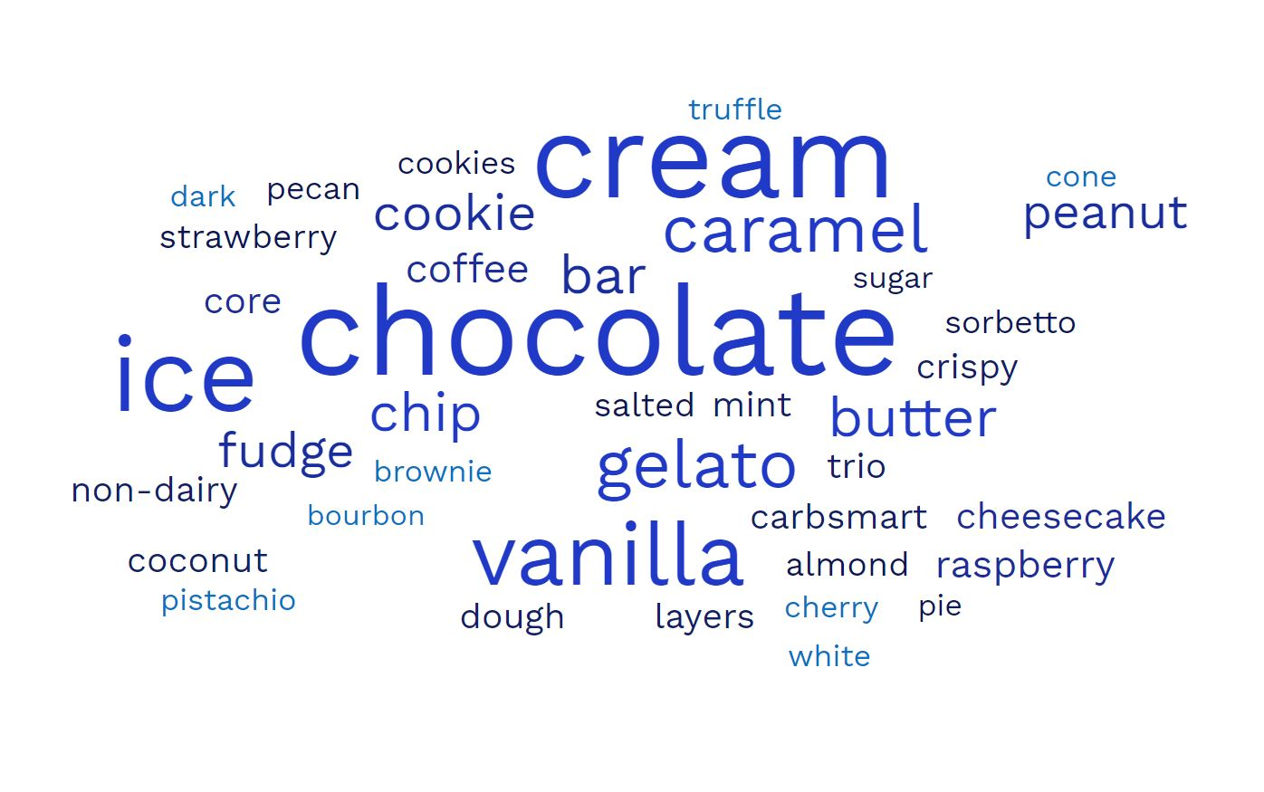

 |  |  | Most Used Words in 21,000+ reviews

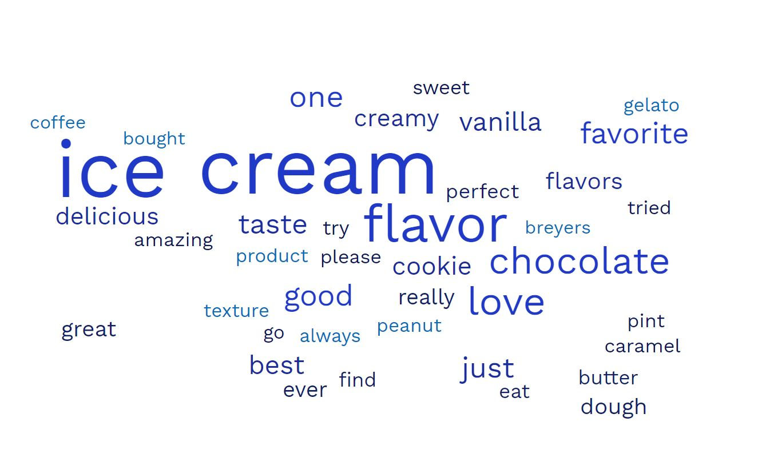

 | Vlookup Example
 | Flavor Name | Snickers
 | Rating | 4.4

